Contact CC
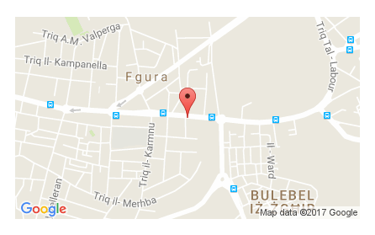
Contact Details

Phone: 00356 25 688 688
Email: info@cc.com.mt
Website: www.cc.com.mt

B'Kara Head Office
Address: Ewropa Business Centre, Triq Dun Karm, B'Kara - Malta
Opening Hours: Mon - Fri 08:30 - 18:30
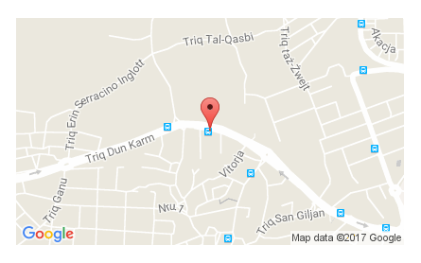

Valletta Branch
Address: 5th Floor, Valletta Buildings, South Street, Valletta.
Opening Hours: Mon – Fri 08:30 - 18:30 | Sat 09:00 - 13:00 (Closed on Saturdays in July & August)
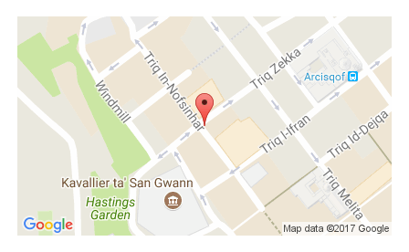

Qormi Branch
Address: Warner Complex, Victory Street, Qormi, Malta.
Opening Hours: Mon – Fri 08:30 – 18:30| Sat 09:00 – 13:00 (Closed on Saturdays in July & August)
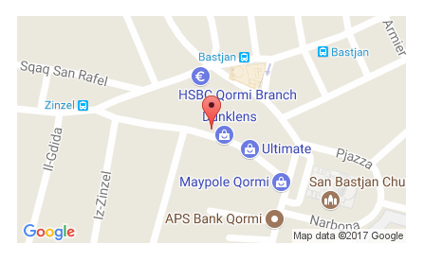

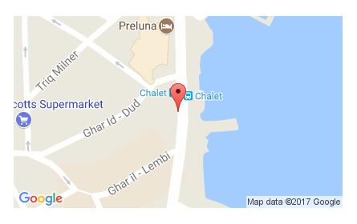
Sliema Branch
Address: 116A, Tower Road, Sliema, Malta.
Opening Hours: Mon – Fri 08:30 – 18:30 | Sat 09:00 – 13:00 (Closed on Saturdays in July & August)

Fgura Branch
Address: 252, Hompesch Road, Fgura, Malta.
Opening Hours: Mon – Fri 08:30 – 18:30 | Sat 09:00 – 13:00 (Closed on Saturdays in July & August)

